4TH & 5TH BOYS

SKY HOOK INTERNATIONAL
Jul-18
AUSTIN, TX
 |  |  |  | UPDATE 7/13/18
SCHEDULE
DIVISION - 4TH & 5TH
 |  |  |  |  |  |  |  |  | TEAMS | SAN ANTONIO CHOPPERS |  | CENTEX ATTACK |  | AUSTIN DEFENDERS |  | SKY HOOK |  | AVG OFF | AVG DEF | AVG | POSITIONS
 | TEAMS |  |  |  |  |  |  |  | SKY HOOK | 17 | 42 | 8 | 37 | 7 | 36 | 0 | 0 | 32 | 115 | -83
1 | SKY HOOK |  |  |  |  |  |  |  | AUSTIN DEFENDERS | 35 | 19 | 46 | 36 |  |  | 36 | 7 | 117 | 62 | 55
2 | AUSTIN DEFENDERS |  |  |  |  |  |  |  | CENTEX ATTACK | 26 | 29 |  |  | 36 | 46 | 37 | 8 | 99 | 83 | 16
3 | CENTEX ATTACK |  |  |  |  |  |  |  | SAN ANTONIO CHOPPERS |  |  | 29 | 26 | 19 | 35 | 42 | 17 | 90 | 78 | 12
4 | SAN ANTONIO CHOPPERS
GAME | DATE | DIVISION | TIME | AWAY | PTS | LOCAL | PTS | COURT
1 | 2018-07-13 | 4TH & 5TH | 18:00:00 | AUSTIN DEFENDERS | 36 | SKY HOOK | 7 | GYM 3
2 | 2018-07-13 | 4TH & 5TH | 20:00:00 | SAN ANTONIO CHOOPERS | 29 | CENTEX ATTACK | 26 | GYM 5
3 | 2018-07-14 | 4TH & 5TH | 10:00:00 | SAN ANTONIO CHOOPERS | 19 | AUSTIN DEFENDERS | 35 | GYM 2
4 | 2018-07-14 | 4TH & 5TH | 10:00:00 | SKY HOOK | 8 | CENTEX ATTACK | 37 | GYM 3
5 | 2018-07-14 | 4TH & 5TH | 13:00:00 | CENTEX ATTACK | 36 | AUSTIN DEFENDERS | 46 | GYM 1
6 | 2018-07-14 | 4TH & 5TH | 12:00:00 | SAN ANTONIO CHOOPERS | 42 | SKY HOOK | 17 | GYM 2

FINALS
GAME | DATE | DIVISION | TIME | AWAY | PTS | LOCAL | PTS | COURT
7 | 2018-07-15 | 4TH & 5TH | 12:00:00 | 4TH PLACE - SKY HOOK | 24 | 3RD PLACE - CENTEX ATTACK | 53 | GYM 3
8 | 2018-07-15 | 4TH & 5TH | 12:00:00 | 2ND PLACE - SAN ANTONIO CHOPPERS | 16 | 1ST PLACE - AUSTIN DEFENDERS | 31 | GYM 4

RESULTS
 |  |  |  |  |  | MVP - #30 JOJO
 |  |  |  | 3RD PLACE - CENTEX ATTACK |  | CHAMPION - AUSTIN DEFENDERS
 |  |  |  |  |  | 2NDPLACE - SAN ANTONIO CHOPPERS

4TH & 5TH BOYS POSITIONS

SKY HOOK INTERNATIONAL
Jul-17
AUSTIN, TX
UPDATE 7/14/18
STANDING

4TH&5TH BOYS
POSITION | TEAM | GP | W | L | %
1 | AUSTIN DEFENDERS | 3 | 3 | 0 | 1.000
2 | 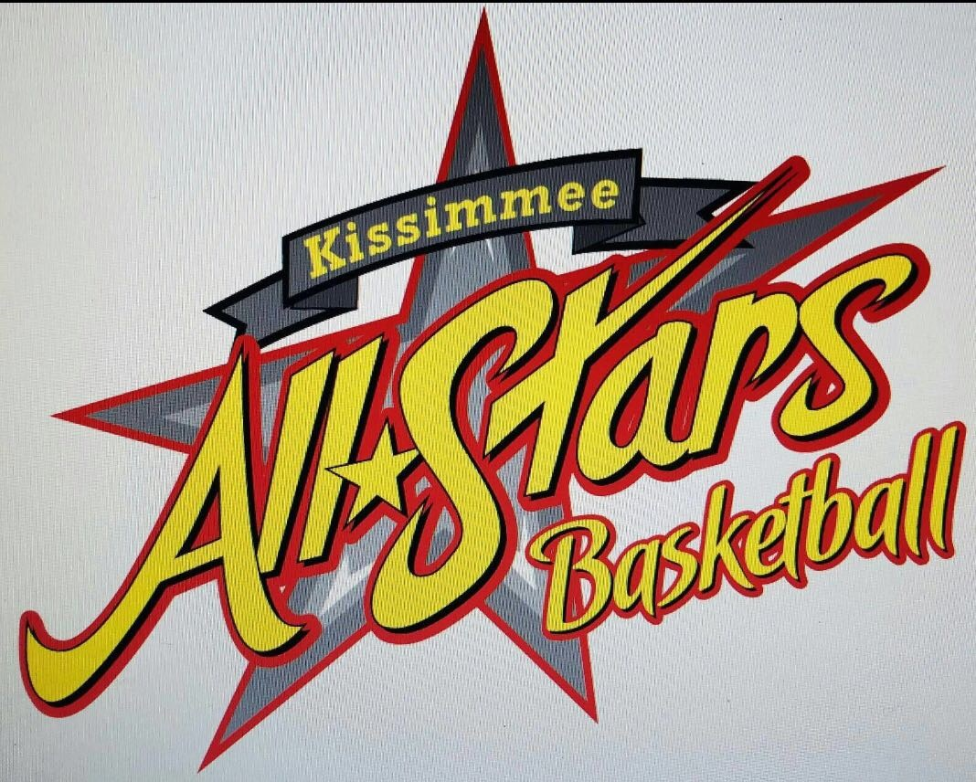 SAN ANTONIO CHOPPERS | 3 | 2 | 1 | 0.667
3 | CENTEX ATTACK | 3 | 1 | 2 | 0.333
4 | SKY HOOK | 3 | 0 | 3 | 0.000

FULL SCHEDULE

SKY HOOK INTERNATIONAL
JUY 2018
AUSTIN, TX

FULL SCHEDULE

GAME | DATE | DIVISION | TIME | AWAY | PTS | LOCAL | PTS | COURT
1 | 2018-07-13 | VARSITY GIRLS | 18:00:00 | MONTEREY MEXICO | 29 | LADY DEFENDERS | 22 | GYM 1
2 | 2018-07-13 | VARSITY GIRLS | 19:00:00 | EXTREME 212 WHITE | 14 | EXTREME 212 RED | 28 | GYM 1
3 | 2018-07-13 | VARSITY GIRLS | 20:00:00 | LADY DEFENDERS | 27 | LADY MAGIC | 22 | GYM 1
4 | 2018-07-13 | VARSITY GIRLS | 21:00:00 | EXTREME 212 RED | 7 | MONTEREY MEXICO | 39 | GYM 1
5 | 2018-07-13 | 7TH & 8TH GIRLS | 18:00:00 | SKY HOOK | 26 | LADY DEFENDERS | 32 | GYM 2
6 | 2018-07-13 | 7TH & 8TH GIRLS | 19:00:00 | LADY MAGIC | 15 | CENTEX ATTACK | 0 | GYM 2
7 | 2018-07-13 | 7TH & 8TH GIRLS | 20:00:00 | LADY DEFENDERS | 28 | LADY WILDCATS | 48 | GYM 2
8 | 2018-07-13 | 7TH & 8TH GIRLS | 21:00:00 | CENTEX ATTACK | 15 | SKY HOOK | 31 | GYM 2
9 | 2018-07-13 | 4TH & 5TH | 18:00:00 | AUSTIN DEFENDERS | 36 | SKY HOOK | 7 | GYM 3
10 | 2018-07-13 | 7TH | 19:00:00 | LSU BOYS | 67 | EXTREME 212 | 29 | GYM 3
11 | 2018-07-13 | 8TH BOYS | 20:00:00 | AUSTIN DEFENDERS 2022 | 54 | CENTEX ATTACK LARA | 20 | GYM 3
12 | 2018-07-13 | VARSITY BOYS | 21:00:00 | TEXAS CLUTCH | 33 | EXTREME 212 JV | 62 | GYM 3
13 | 2018-07-13 | 8TH BOYS | 18:00:00 | SKY HOOK | 34 | AUSTIN DEFENDERS GOLD | 48 | GYM 4
14 | 2018-07-13 | 6TH BOYS | 19:00:00 | TJ FORD BULLS | 47 | LOS LOBOS | 26 | GYM 4
15 | 2018-07-13 | 6TH BOYS | 20:00:00 | AUSTIN DEFENDERS | 55 | SKY HOOK | 12 | GYM 4
16 | 2018-07-13 | VARSITY BOYS | 21:00:00 | CENTEX ATTACK | 43 | HATILLO BASKET, PR | 21 | GYM 4
17 | 2018-07-13 | 8TH BOYS | 18:00:00 | CENTEX ATTACK LARA | 33 | CENTEX ATTACK PRATT | 37 | GYM 5
18 | 2018-07-13 | 7TH | 19:00:00 | CENTEX ATTACK | 16 | SKY HOOK | 37 | GYM 5
19 | 2018-07-13 | 4TH & 5TH | 20:00:00 | SAN ANTONIO CHOOPERS | 29 | CENTEX ATTACK | 26 | GYM 5
20 | 2018-07-13 | 8TH BOYS | 21:00:00 | SKY HOOK | 39 | CENTEX ATTACK WHITE | 32 | GYM 5
21 | 2018-07-13 | VARSITY BOYS | 17:00:00 | HATILLO BASKET, PR | 38 | WHITE SHADOW BASKET | 28 | GYM 6
22 | 2018-07-13 | VARSITY BOYS | 18:00:00 | EXTREME 212 JV | 37 | CENTEX ATTACK | 49 | GYM 6
23 | 2018-07-13 | 5TH & 6TH GIRLS | 19:00:00 | PHOENIX 2025 | 30 | LADY MAGIC | 11 | GYM 6
24 | 2018-07-13 | 8TH BOYS | 20:00:00 | AUSTIN DEFENDERS GOLD | 44 | CENTEX ATTACK PRATT | 24 | GYM 6
25 | 2018-07-13 | 5TH & 6TH GIRLS | 21:00:00 | LADY DEFENDERS | 38 | LADY WILDCATS | 7 | GYM 6
26 | 2018-07-14 | 8TH BOYS | 10:00:00 | AUSTIN DEFENDERS GOLD | 27 | AUSTIN DEFENDERS 2022 | 51 | GYM 1
27 | 2018-07-14 | 8TH BOYS | 11:00:00 | CENTEX ATTACK WHITE | 18 | CENTEX ATTACK LARA | 23 | GYM 1
28 | 2018-07-14 | 8TH BOYS | 12:00:00 | AUSTIN DEFENDERS 2022 | 42 | CENTEX ATTACK PRATT | 26 | GYM 1
29 | 2018-07-14 | 4TH & 5TH | 13:00:00 | CENTEX ATTACK | 36 | AUSTIN DEFENDERS | 46 | GYM 1
30 | 2018-07-14 | 8TH BOYS | 14:00:00 | CENTEX ATTACK PRATT | 47 | CENTEX ATTACK WHITE | 25 | GYM 1
31 | 2018-07-14 | 8TH BOYS | 15:00:00 | AUSTIN DEFENDERS 2022 | 25 | SKY HOOK | 28 | GYM 1
32 | 2018-07-14 | 8TH BOYS | 16:00:00 | CENTEX ATTACK WHITE | 20 | AUSTIN DEFENDERS GOLD | 45 | GYM 1
33 | 2018-07-14 | 8TH BOYS | 17:00:00 | SKY HOOK | 39 | CENTEX ATTACK LARA | 27 | GYM 1
34 | 2018-07-14 | 4TH & 5TH | 10:00:00 | SAN ANTONIO CHOOPERS | 19 | AUSTIN DEFENDERS | 35 | GYM 2
35 | 2018-07-14 | 6TH BOYS | 11:00:00 | SKY HOOK | 24 | LOS LOBOS | 27 | GYM 2
36 | 2018-07-14 | 4TH & 5TH | 12:00:00 | SAN ANTONIO CHOOPERS | 42 | SKY HOOK | 12 | GYM 2
37 | 2018-07-14 | VARSITY BOYS | 13:00:00 | EXTREME 212 JV | 48 | HATILLO BASKET, PR | 27 | GYM 2
38 | 2018-07-14 | 7TH & 8TH GIRLS | 14:00:00 | LADY WILDCATS | 49 | CENTEX ATTACK | 9 | GYM 2
39 | 2018-07-14 | 7TH | 15:00:00 | LSU BOYS | 66 | SKY HOOK | 13 | GYM 2
40 | 2018-07-14 | 7TH | 16:00:00 | EXTREME 212 | 35 | CENTEX ATTACK | 21 | GYM 2
41 | 2018-07-14 | 4TH & 5TH | 10:00:00 | SKY HOOK | 8 | CENTEX ATTACK | 37 | GYM 3
42 | 2018-07-14 | 6TH BOYS | 11:00:00 | TJ FORD BULLS | 35 | AUSTIN DEFENDERS | 19 | GYM 3
43 | 2018-07-14 | 7TH & 8TH GIRLS | 12:00:00 | SKY HOOK | 35 | LADY MAGIC | 9 | GYM 3
44 | 2018-07-14 | VARSITY BOYS | 13:00:00 | TEXAS CLUTCH | 36 | WHITE SHADOW BASKET | 30 | GYM 3
45 | 2018-07-14 | 6TH BOYS | 14:00:00 | TJ FORD BULLS | 52 | SKY HOOK | 7 | GYM 3
46 | 2018-07-14 | 6TH BOYS | 15:00:00 | LOS LOBOS | 17 | AUSTIN DEFENDERS | 31 | GYM 3
47 | 2018-07-14 | VARSITY BOYS | 10:00:00 | WHITE SHADOW BASKET | 14 | EXTREME 212 JV | 67 | GYM 4
48 | 2018-07-14 | 5TH & 6TH GIRLS | 11:00:00 | PHOENIX 2025 | 17 | LADY DEFENDERS | 21 | GYM 4
49 | 2018-07-14 | VARSITY GIRLS | 12:00:00 | LADY MAGIC | 31 | EXTREME 212 RED | 27 | GYM 4
50 | 2018-07-14 | VARSITY GIRLS | 13:00:00 | MONTEREY MEXICO | 26 | EXTREME 212 WHITE | 17 | GYM 4
51 | 2018-07-14 | 5TH & 6TH GIRLS | 14:00:00 | PHOENIX 2025 | 34 | LADY WILDCATS | 25 | GYM 4
52 | 2018-07-14 | VARSITY GIRLS | 15:00:00 | EXTREME 212 RED | 34 | LADY DEFENDERS | 23 | GYM 4
53 | 2018-07-14 | VARSITY GIRLS | 16:00:00 | EXTREME 212 WHITE | 14 | LADY MAGIC | 45 | GYM 4
54 | 2018-07-14 | VARSITY BOYS | 10:00:00 | CENTEX ATTACK | 60 | TEXAS CLUTCH | 17 | GYM 5
55 | 2018-07-14 | 5TH & 6TH GIRLS | 11:00:00 | LADY WILDCATS | 4 | LADY MAGIC | 18 | GYM 5
56 | 2018-07-14 | 7TH | 12:00:00 | LSU BOYS | 69 | CENTEX ATTACK | 21 | GYM 5
57 | 2018-07-14 | 7TH | 13:00:00 | SKY HOOK | 51 | EXTREME 212 | 35 | GYM 5
58 | 2018-07-14 | 5TH & 6TH GIRLS | 14:00:00 | LADY MAGIC | 10 | LADY DEFENDERS | 25 | GYM 5
59 | 2018-07-14 | 7TH & 8TH GIRLS | 16:00:00 | CENTEX ATTACK | 7 | LADY DEFENDERS | 40 | GYM 3
60 | 2018-07-14 | 7TH & 8TH GIRLS | 16:00:00 | LADY MAGIC | 14 | LADY WILDCATS | 44 | GYM 5
61 | 2018-07-15 | VARSITY GIRLS | 10:00:00 | LADY DEFENDERS | 32 | EXTREME 212 WHITE | 28 | GYM 1
62 | 2018-07-15 | 8TH BOYS | 11:00:00 | AUSTIN DEFENDERS GOLD | 49 | CENTEX ATTACK LARA | 27 | GYM 1
63 | 2018-07-15 | 5TH & 6TH GIRLS | 12:00:00 | 4TH PLACE - LADY WILDCATS | 42 | 3RD PLACE - LADY MAGIC | 10 | GYM 1
64 | 2018-07-15 | VARSITY GIRLS | 13:00:00 | 4TH PLACE - EXTREME 212 RED | 39 | 3ERD PLACE - LADY DEFENDERS | 32 | GYM 1
65 | 2018-07-15 | VARSITY BOYS | 14:00:00 | 4TH PLACE - TEXAS CLUTCH | 36 | 3ER PLACE - HATILLO, PR | 37 | GYM 1
66 | 2018-07-15 | VARSITY GIRLS | 10:00:00 | LADY MAGIC | 28 | MONTEREY MEXICO | 36 | GYM 2
67 | 2018-07-15 | VARSITY BOYS | 11:00:00 | HATILLO BASKET, PR | 41 | TEXAS CLUTCH | 33 | GYM 2
68 | 2018-07-15 | 5TH & 6TH GIRLS | 12:00:00 | 2ND PLACE - PHOENIX 2025 | 14 | 1ST PLACE - LADY DEFENDERS | 25 | GYM 2
69 | 2018-07-15 | VARSITY GIRLS | 13:00:00 | 2ND PLACE - LADY MAGIC | 26 | 1ST PLACE - MONTERY MEXICO | 41 | GYM 2
70 | 2018-07-15 | VARSITY BOYS | 14:00:00 | 2ND PLACE - EXTREME 212 JV | 44 | 1ST PLACE - CENTEX ATTACK | 47 | GYM 2
71 | 2018-07-15 | 7TH & 8TH GIRLS | 10:00:00 | LADY DEFENDERS | 36 | LADY MAGIC | 6 | GYM 3
72 | 2018-07-15 | VARSITY BOYS | 11:00:00 | WHITE SHADOW BASKET | 21 | CENTEX ATTACK | 34 | GYM 3
73 | 2018-07-15 | 4TH & 5TH | 12:00:00 | 4TH PLACE - SKY HOOK | 24 | 3RD PLACE - CENTEX ATTACK | 53 | GYM 3
74 | 2018-07-15 | 7TH & 8TH GIRLS | 13:00:00 | 4TH PLACE - LADY MAGIC | 10 | 3ER PLACE - SKY HOOK | 22 | GYM 3
75 | 2018-07-15 | 8TH BOYS | 14:00:00 | 4TH PLACE - SKY HOOK | 27 | 3RD PLACE - CENTEX ATTACK PRATT | 48 | GYM 3
76 | 2018-07-15 | 7TH & 8TH GIRLS | 10:00:00 | LADY WILDCATS | 50 | SKY HOOK | 12 | GYM 4
77 | 2018-07-15 | 7TH | 11:00:00 | 4TH PLACE - CENTEX ATTACK | 21 | 3RD PLACE - EXREME 212 | 30 | GYM 4
78 | 2018-07-15 | 4TH & 5TH | 12:00:00 | 2ND PLACE - SAN ANTONIO CHOPPERS | 16 | 1ST PLACE - AUSTIN DEFENDERS | 31 | GYM 4
79 | 2018-07-15 | 7TH & 8TH GIRLS | 13:00:00 | 2ND PLACE - LADY DEFENDERS | 20 | 1ST PLACE - LADY WILDCATS | 39 | GYM 4
80 | 2018-07-15 | 8TH BOYS | 14:00:00 | 2ND PLACE - AUSTIN DFENDERS GOLD | 35 | 1ST PLACE - AUSTIN DEFENDERS 2022 | 36 | GYM 4
81 | 2018-07-15 | 8TH BOYS | 10:00:00 | CENTEX ATTACK PRATT | 41 | SKY HOOK | 18 | GYM 5
82 | 2018-07-15 | 7TH | 11:00:00 | 2ND PLACE - SKY HOOK | 28 | 1ST PLACE - LSU BOYS | 70 | GYM 5
83 | 2018-07-15 | 6TH BOYS | 12:00:00 | 2ND PLACE - AUSTIN DEFENDERS | 38 | 1ST PLACE - TJ FORD BULLS | 23 | GYM 5
84 | 2018-07-15 | 8TH BOYS | 10:00:00 | CENTEX ATTACK WHITE | 24 | AUSTIN DEFENDERS 2022 | 49 | GYM 6
85 | 2018-07-15 | 6TH BOYS | 11:00:00 | 4TH PLACE - SKY HOOK | 39 | 3RD PLACE - LOS LOBOS | 30 | GYM 6

